Calc Usage
VIEW MODELS
Amend data in red
 |  |  | Currentl bottled water usage |  |  | Awesome Water options
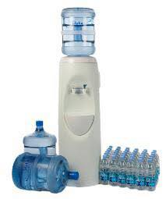
every 6 months
 | Usage per week # of Bottles/Cases |  | 4 |  |  |  | use drop down arrows to select
 |  | Cost per Unit | 7 |  | 760 | Model | Floor Standing Refillable - 12 months
 |  | Bottles per unit | 24 |  | 65 | Filter | Refillable
 |  | Liters per bottle | 0.6

 | Bottled Water |  |  |  | Awesome Water - 1st year |  |  |  |  | Once paid off
 |  |  | Litres per Unit | 14.4 | 1000 | Liters per filter
 |  |  | Cost Per Week | 28 | 18 | Cost per week (1st year) |  |  |  | 3.75
 | 52 | Cost per Lilter |  | 0.49 | 0.25 | Cost Per liter |  |  |  | 0.07
 |  |  |  |  |  |  |  |  |  | YEARLY COST
 |  |  |  |  |  |  |  |  |  | Filter change every 1000 liters
 | Liters/ week | # of Bottles / Cases per year | # of Units per week | $ per year | $ 1st year | # of filters per year if changing every 1000l | Liters per year | # of filters per year | % savings in 1st year | Filter $ per year | % savings after 1st year
 | 58 | 125 | 4 | 1456 | 890 | 3 | 2995 | 2.9952 | 38.87 | 195 | 86.61
 |  | over X years | 3 | 4368 | 1475 |  |  |  |  | Filter change every 6 months

 |  |  |  | Total % Savings over period | 66 |  |  |  |  | 130 | 91.07
 |  |  |  | Total $ savings over period | 2893

